Home
SA Power Networks Group
2025 ESG Databook
SA Power Networks' sustainability priorities are listed below. Our ESG databook presents key sustainability metrics aligned to these priorities and our material environmental, social and governance topics. For details on how we are progressing our sustainability priorities and commitments, refer to our 2025 ESG Impact Report. This report also includes information on we manage our material ESG topics, with supplementary details provided in this databook's appendices.

Sustainability priorities

Assurance opinion
Glossary
Contents
Customer & community
Network performance
Emissions
Waste, recycling & water
Energy efficient assets
Energy
Workforce
Safety & wellbeing

Governance

Appendices
Social matters
Network matters
Environment matters
Governance matters

UN SDG index
GRI index

About the SA Power Networks Group
SA Power Networks Group refers to two key businesses:
• SA Power Networks - management of the regulated electricity distribution network serving 1.9 million South Australians; and
• Enerven - specialist service provider in the competitive energy and telecommunications sectors.

Sustainability reporting by the SA Power Networks Group
We recommend reading this document in conjunction with the rest of our Sustainability Reporting Suite listed below available at www.sapowernetworks.com.au/about-us/sustainability.
• 2025 Sustainability Report – climate-related disclosures
• 2025 ESG Impact Report
• 2025 Modern Slavery Statement
• 2025 Innovate Reconciliation Action Plan
• 2025 Green Bond Report

About the 2025 sustainability performance data
Our sustainability data is reported following the guidance of AASB S2, GRI standards and general industry standards.
We report performance data and metrics at the Group level unless otherwise stated and relates to our South Australian network, assets as well as projects (including work conducted interstate by Enerven) during the calendar year.
Some datasets are reflective of the Australian financial year (FY) which runs 1st July to 30th June, or other mandated time periods to align with regulatory reporting.
We engaged Deloitte to undertake Limited Assurance over the 2025 ESG Databook for selected metrics related to the period 1st January to 31st December.
The full details of the process, scope of assurance and outcome are detailed in Deloitte’s assurance statement on the 'Assurance Statement' tab.
Projects undertaken by private (eg, council-owned) networks or assets outside our operational boundary are excluded.
Where relevant, prior period figures have been restated when more accurate data becomes available, if errors have been detected, or when there have been material changes to the data calculation methodologies. Details can be found in the footnotes.

Providing feedback
We welcome feedback on any aspect of our ESG performance and sustainability reporting suite. Please send comments or queries to sustainability@sapowernetworks.com.au

Disclaimer
The information contained in this report is relevant and accurate to 31 December 2025. Some figures have been restated due to information becoming available after the previous report or due to a change in methodology.
Presentation of prior year figures are not assured by Deloitte Touche Tohmatsu.
This report and the information contained in this report is for general information only.
Version control: Performance data tables posted 25 February 2026.

Assurance opinion
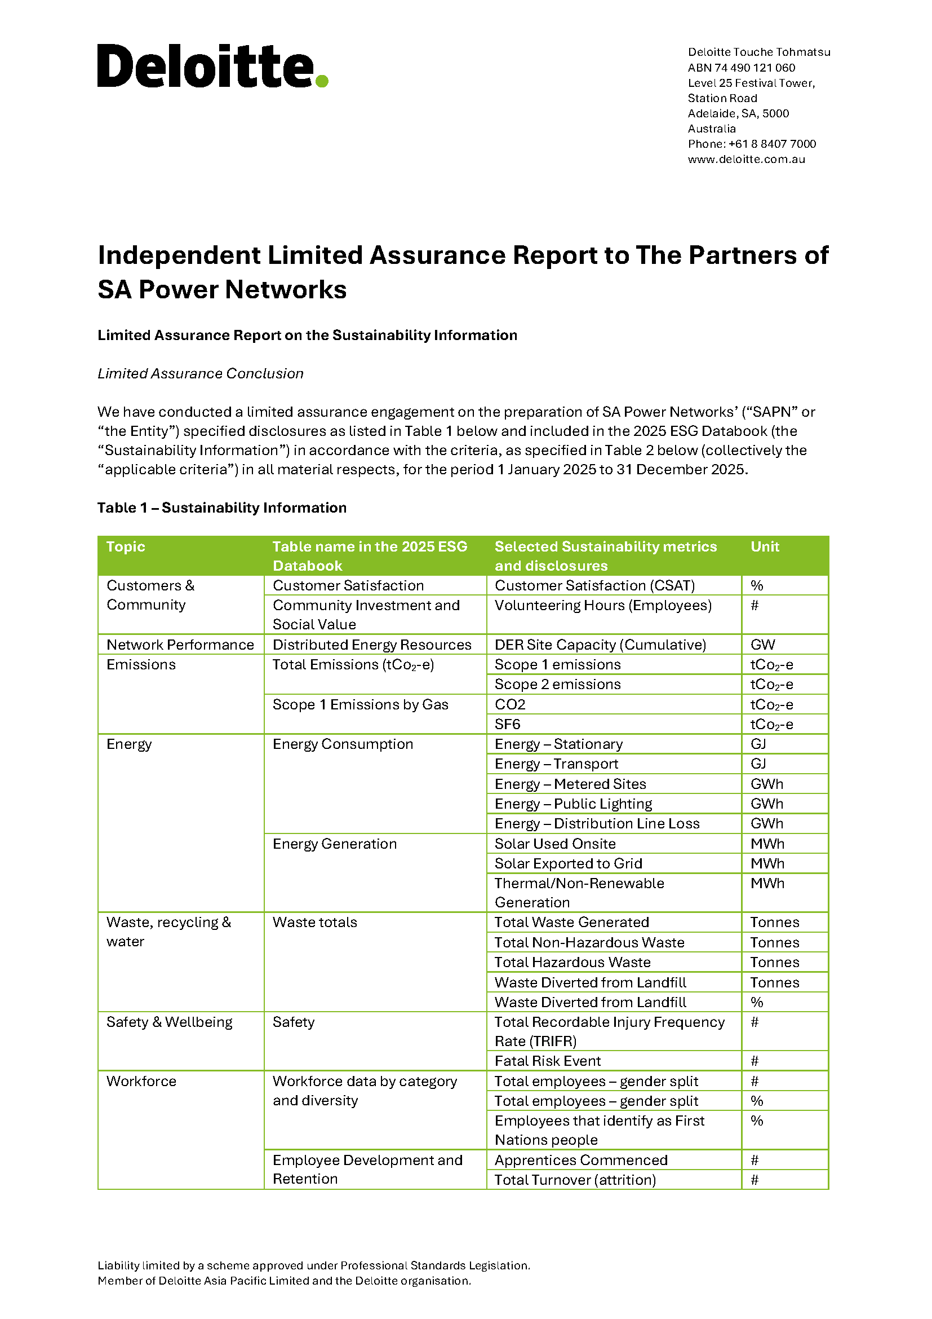
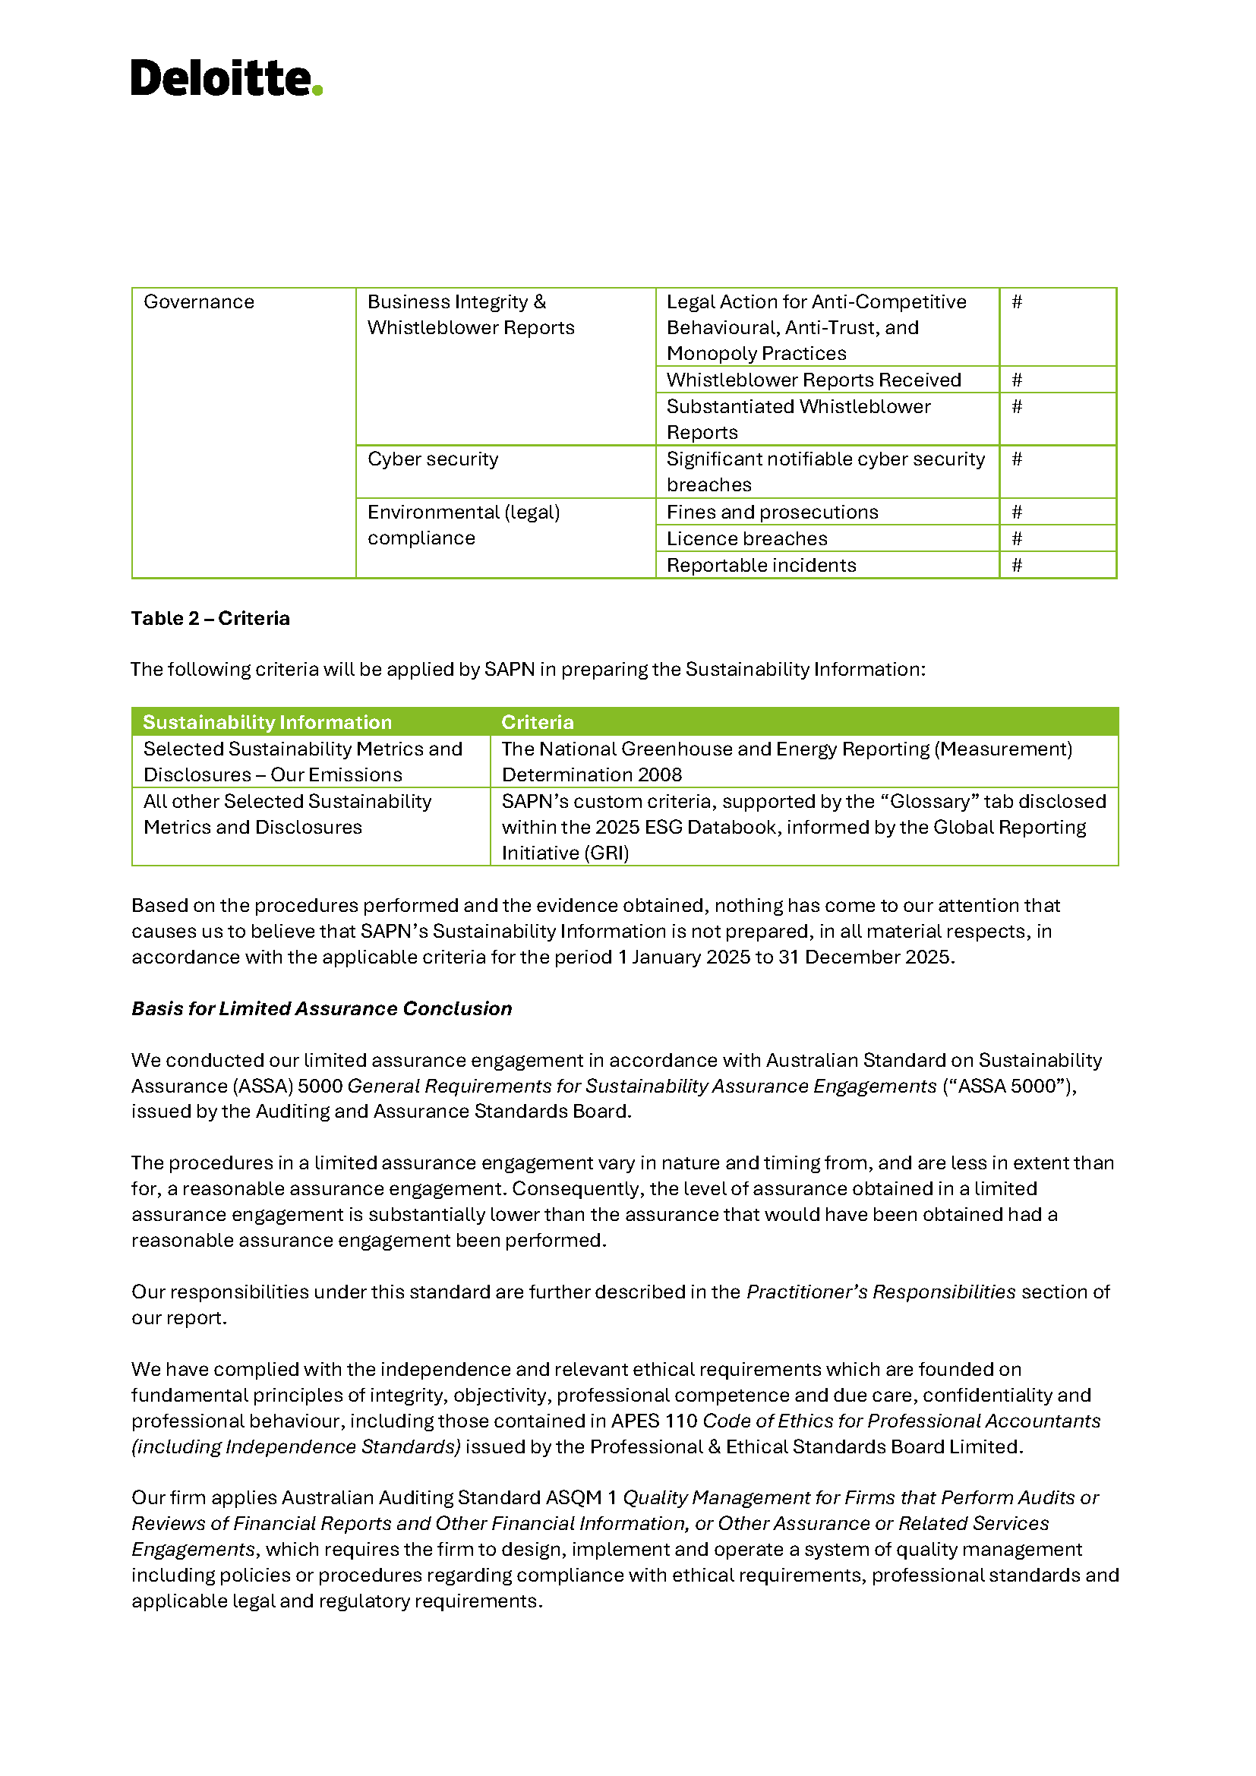
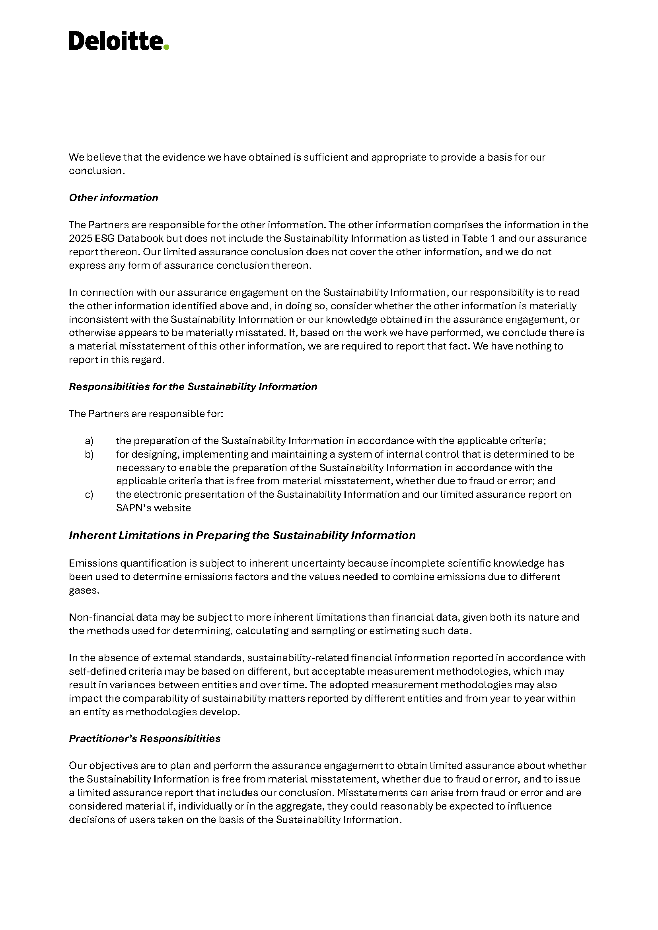
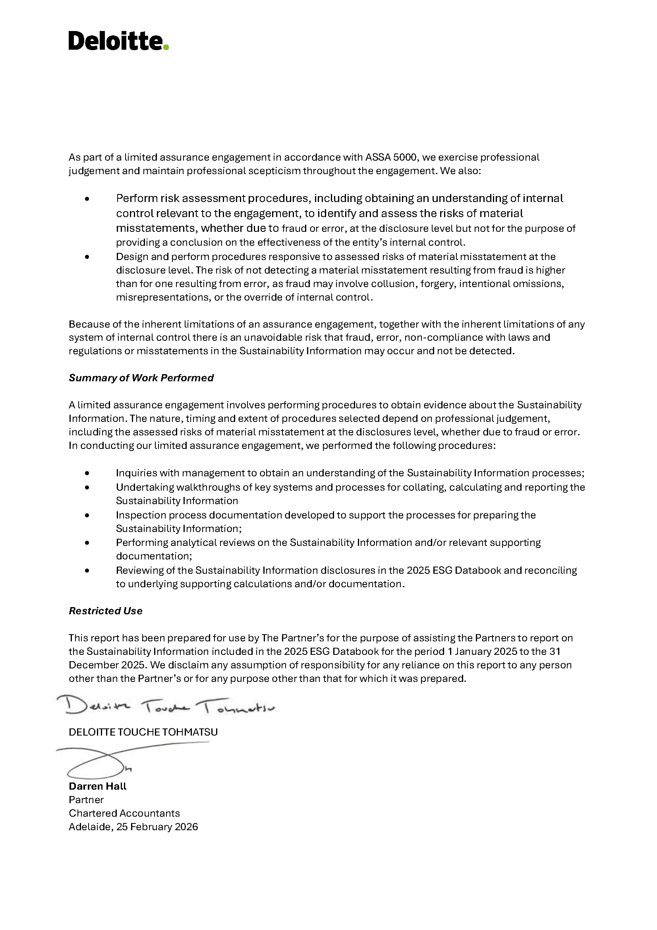
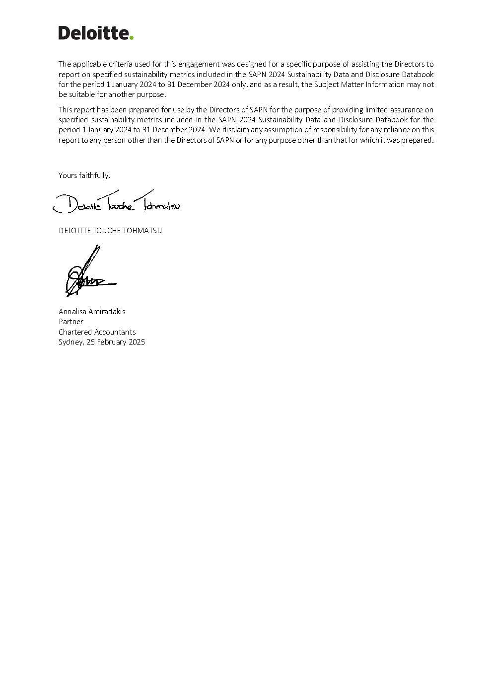
Assurance opinion

Governance matters
Governance matters
This appendix provides additional detail on how SA Power Networks Group manages: • Regulatory compliance • Cyber security and data protection. Read our ESG Impact Report, Sustainability Report and Modern Slavery Statement for additional information on how we manage these and other material governance topics, including: • Corporate governance • Advocacy with stakeholders including regulators and governments • Integrating sustainability into corporate governance and risk management • Corporate culture, values and ethics; and • Responsible supply chain |  |  |  | The SA Power Networks Group regards responsible business conduct as a fundamental component of our duty and commitment to our customers, our people, our owners and the communities which we serve. We collaborate with government, industry, customers and other stakeholders to further sustainability outcomes with broader benefits and use our influence to advocate for policy and regulatory outcomes. We operate wholly within Australia, a country with a long history of democratic government, judicial independence and high standards of governance, and with legislative regimes relating to human rights including labour standards, privacy and non-discrimination. Our commitment to both respect and promote human rights influences our business activities and stakeholder relationships, which is appropriately reflected in our corporate policies, directives, guidelines, codes and procedures.

Regulatory compliance
We strive to appropriately manage and maintain compliance with laws and regulations including the establishment of appropriate systems to manage and track performance against compliance obligations. SA Power Networks is a monopoly business and is subject to regulation, which acts in the place of competition, and endeavours to promote efficient operations and deliver balanced outcomes. We are governed by National Electricity Laws and Rules and regulated by the Australian Energy Regulator (AER) and the Essential Services Commission of South Australia (ESCOSA). ​ |  | The Regulatory ‘Reset’ Proposal process occurs every five years, requiring SA Power Networks as a regulated utility to submit a service, expenditure and revenue proposal to the AER. The Reset Proposal details our proposed business operations and service delivery, including: • Changes in our regulatory and physical environment • Forecast expenditure • Asset base and depreciation • Revenue and tariffs • Customer price impacts The AER’s revenue determinations set out SA Power Networks’ allowed revenues and incentive schemes that apply for the five-year period. For each year of the five-year period, SA Power Networks must submit an annual pricing proposal to the AER for approval. At the same time, ESCOSA determine the service standards that we need to meet over that period. We charge our tariffs to the retailers, who then recover these costs from their customers. We are also required to abide by the local regulatory environment and the National Electricity Law and the National Electricity Rules in managing the distribution network. We must also submit a Tariff Structure Statement which outlines how we will recover the revenue approved by the AER in our tariffs. Our Reset Strategy aims to develop a proposal that meets the needs of our customers and provides a fair return for our business. For us, a successful proposal is one that has strong customer and stakeholder support gained through deep engagement, focuses on what matters, provides a fair return for our business and is backed up by high quality analysis. |  | Evaluation and improvement occur throughout the regulatory period. SA Power Networks has developed a Monitoring, Evaluation and Compliance Strategy that outlines how we will use best endeavours to comply with the reliability and customer service standards outlined in the Essential Services Commission of South Australia’s Electricity Distribution Code. We annually publish a Public Performance Report which details our performance against the service standards contained in the Electricity Distribution Code and against the 10 regions defined in the Commission’s Electricity Industry Guideline No.1. We regularly provide detailed information to the AER for monitoring purposes, and costs must be allocated in accordance with our approved Cost Allocation Method. The National Electricity Rules also requires distribution service providers to develop, publish and maintain, a Distribution Loss Factor Methodology.

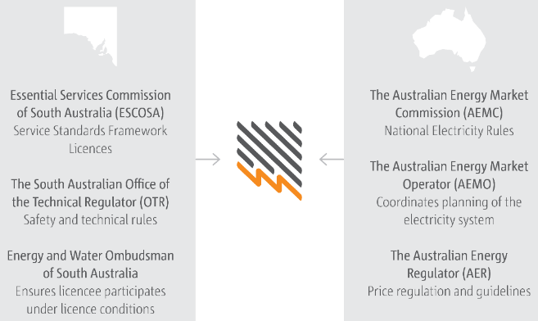
 |  |  |  | Links to publications:
 |  |  |  | Monitoring, Evaluation and Compliance Strategy
 |  |  |  | Electricity Distribution Code
 |  |  |  | Electricity Industry Guideline No.1
 |  |  |  | Cost Allocation Method 1350KB PDF.
 |  |  |  | Distribution Loss Factor Methodology 296KB PDF.

Cyber security and data protection
Management of cyber security risks and data protection across the corporate IT environment and the operational technology environment aligns with the SA Power Networks Risk Management Framework, and is supported by policies, standards and guides including: |  | This Framework categorises cyber security capabilities into the following 11 domains. |  | Cyber security and data protection training is mandatory for all employees. Our awareness program program also includes monthly phishing drills (with failure requiring additional training), online articles, organisation-wide briefings, ‘Lunch and Learn’ sessions, face to face small training sessions and physical elements such as posters across our sites. We also offer vocational educational programs in cyber security. Training programs are delivered by registered training organisations and nationally accredited qualifications are credited.
Asset, Change and Configuration Management (ACM)
Australian Privacy Management (APM)
Cybersecurity Program Management (CPM)
Event and Incident Response, Continuity of Operations (IR)
Identity and Access Management (IAM)
Information Sharing and Communications (ISC)
Risk Management (RM)
Situational Awareness (SA)
Supply Chain and External Dependencies Management (EDM)
Threat and Vulnerability Management (TVM)
Workforce Management (WM)

Cyber Security Policy | outlines the key principles, activities and responsibilities to ensure comprehensive and appropriate management of cyber security and data privacy issues

Cyber Security Governance Framework | outlines how the SA Power Networks Group will provide governance, strategic planning and sponsorship of cyber security activities through a commitment to developing, implementing and continually improving the Cyber Security Program (CSP) across the organisation
 |  |  |  | Ongoing monitoring and measurement are part of our legal, regulatory and contractual requirements and align to our commitment to continuous improvement. As well as reporting cyber security risks and activities to the ELT, Board and public through ESG reporting, we: • monitor the performance and effectiveness of the Cyber Security Program against the planned objectives; • identify non-compliance with the cyber security program and AESCSF, and tracking and implementing remediation actions to address these; • complete activities in the Cyber Security Calendar in a timely manner; • provide an annual AESCSF attestation to AEMO; and • undertake regular independent reviews of various aspects of the cyber security program.

Cyber Security Standard and Directive | establish and communicate the specific requirements for how cyber security must be managed within SA Power Networks to maintain the confidentiality, integrity and availability of information and technology systems, commensurate with risk, and in compliance with legal, regulatory and contractual obligations
 |  | The SA Power Networks Group has made a significant investment in maturing our cyber security approach, aligning to the AESCSF and other recognised industry frameworks. This program consists of multiple streams of work, focusing on both technical and management cyber security outcomes.

Privacy Policy | outlines the principles on how the SA Power Networks Group collects, manages, uses, discloses and otherwise handles personal information. Supported by privacy guides, this policy also provide direction to the SA Power Networks Group’s workers regarding the protection of the privacy of personal information (including that supplied to us by customers, employees, contractors and suppliers)
 |  | Cyber Security and IT Resilience team provides governance, oversight and consultation for all aspects of cyber security across the enterprise to prevent, detect and respond to cyber security threats. They are focus on readiness to respond to operational disruptions. The team endeavours to keep the business agile and innovative while prudently managing our cyber security risk, aligned with legal, regulatory and contractual requirements. Our cyber security program of works is guided by core objectives:

Data Breach Mandatory Notification Guide | provides direction to our workers regarding the assessment and notification requirements of any breaches of our privacy obligations

 |  | Protect our people, systems and information | Endeavour to maintain the safety of our people, our customers and the general public, and protect the information they entrust to us, in alignment with legal, and regulatory requirements, and commensurate with risk.
The Australian Energy Sector Cyber Security Framework (AESCSF) provides a cyber security capability maturity model for energy sector organisations to assess, evaluate, prioritise and improve their cyber security capability through informed decision making. Developed through collaboration with industry and government stakeholders, including the SA Power Networks Group, the AESCSF leverages recognised industry standards such as the US Department of Energy’s Cyber Security Maturity Model (ES-C2M2) and the NIST Cyber Security Framework (CSF).

 |  | Manage our risk | Employ a standardised, risk-based approach to cyber security management across SA Power Networks to ensure informed decision making and the mitigation of risk to an acceptable level.
 |  | Limit the impact from incidents | Identify, respond to, resolve, and recover from cyber incidents in a manner that effectively minimises the resulting impact.

 |  | Educate our people | Foster a strong enterprise-wide awareness of cyber security threats and risks, and ensure our people have the appropriate skills and capabilities relative to their job requirements.

 |  | Collaborate and share | Champion cross-organisational and industry collaboration and information sharing with respect to cyber security.

 |  | Continuously improve | Strive for continuous improvement of our cyber security program and capabilities.

UN SDG index
UN SDG index

The Sustainable Development Goals (SDGs) were adopted by the United Nations in 2015 as a global call to action to end poverty, fight inequality, improve the natural environment and tackle climate change.

The SA Power Networks Group is building on its achievements in the environmental, social and governance space, and our increasing focus on sustainability will see us provide a contribution towards all of the SDGs. In particular, we believe we can make a significant contribution to the five SDGs (highlighted below) which we have identified as material to our organisation and sphere of influence.

 | Our contributions to the UN Sustainable Development Goals

SDG | Contribution | ESG Impact Report Location


 | We aim to deliver affordable and equitable energy services that our customers and communities value, with particular focus on those who are experiencing vulnerability or economic hardship. We know that we play a vital role in ensuring that no one gets left behind in the transition to a low carbon economy. Our philanthropic work - via corporate partnerships and the Employee Foundation - sees us provide financial and volunteering time contributions to a range of poverty related organisations such as the Hutt Street Centre, UnitingCare Wesley Bowden, and Food Bank. | Connecting communities
 |  | Enabling our workforce



 | Our philanthropic work - via corporate partnerships and the Employee Foundation - sees us provide financial and volunteering time contributions to a range of poverty related organisations such as the Hutt Street Centre, UnitingCare Wesley Bowden, and Food Bank. | Connecting communities
 |  | Enabling our workforce

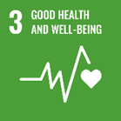
 | Safe, affordable and reliable electricity is vital for the continued health, wellbeing and prosperity of our state and its people. We know that we provide more than just an essential service and we have a responsibility to take particular care of life-support customers and those experiencing vulnerability. Electricity can also be very dangerous, so the safety and wellbeing of our people and communities is our top priority, and we strive to ensure our people work safe, and go home safe, every day. In addition, we provide mental health support to our employees via services under our Health and Wellbeing Framework. | Connecting communities
 |  | Enabling our workforce


 | We strongly support a culture of continuous learning, and have a mature system for educating and developing our people for their roles now and in the future. We have been recognised for our Graduate Development Program, Apprenticeship, traineeships and work with students. We support a number of STEM focussed education programs and events. | Connecting communities


 | The energy sector has traditionally been male dominated, but we are working towards achieving our vision of fostering an inclusive workplace that better reflects the diversity of our community. Via our Inclusion and Diversity (I&D) Strategy and Plan, we are implementing a range of initiatives to increase the representation of women in leadership and non-traditional careers in field-based, operational and engineering roles. We provide a supportive working environment with a number of policies and benefits targeted at pregnancy, parental leave, flexible working arrangements, and family and domestic violence leave. Our pay gap has been steadily decreasing in recent years. | Enabling our workforce

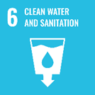
 | South Australians are blessed with world-class water and sanitation services, provided by SA Water. In an effort to reduce energy use (and the resulting CO2 emissions and cost), SA Water engaged our energy services company Enerven to install 242GWh of solar generation and 35MWh of storage across a number of SA Water’s sites around both metropolitan and regional South Australia. To ensure SA Power Networks' assets and operations do not detrimentally impact or pollute water resources, we have rigorous environmental management practices and systems and utilise a range of water-saving technologies. | Conserving the environment

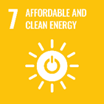
 | The vision for our network is to provide a decarbonised, decentralised future enabled by a resilient, affordable and flexible network. We aim to deliver safe, reliable and equitable energy services that our customers and communities value, and know that we play a vital role in ensuring that no one gets left behind in the transition to a low carbon economy. To this end, we engage closely with our customers and stakeholders to determine our service targets and network plans for our regulatory 'Reset'. We are actively collaborating on projects and innovation to electrify the energy sector in South Australia to reduce greenhouse gas emissions and costs for residential customers, businesses and industry. We have developed a Sustainable Financing Framework to enable transactions in the green bonds and sustainability-linked finance market, and to further our achievements in the energy transition. | Transforming energy

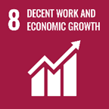
 | As the sole electricity distributor in South Australia, servicing around 1.7 million customers, SA Power Networks understands how important our service and operations are to the wellbeing and prosperity to all South Australians. In addition to delivering reliable, safe and affordable electricity to residents and businesses, we are responsible for the design, construction and connection of new and upgraded embedded generation and asset relocation for industry and government. We are a significant procurer of goods and services, and undertake a range of initiatives to ensure our supply chain is environmentally and socially responsible, including providing a Modern Slavery Statement every year. We are also a major employer, providing fulfilling work, learning and development opportunities and wellbeing support for our employees and contractors. | Transforming energy
 |  | Integrated governance

 | Our distribution network sits at the heart of the low carbon transition, and the next decade will be the most exciting period for our business since the network was built more than 120 years ago. The electricity and energy services we deliver powers South Australian businesses, enables the economy to grow and our residents to thrive. Further, we believe that enabling the decarbonisation of our grid will encourage energy-intensive industries to set up or expand in South Australia, as more and more businesses will be searching for low-cost, zero-emissions energy sources. We are industry leaders in electricity distribution innovation and technology, and have a strong record for building partnerships with the private and public sectors and other stakeholders across and beyond the energy system. We will accelerate our efforts to evolve and transform our network and the services we provide to better reflect our customers’ needs and adapt to our changing role at the centre of an increasingly distributed, two-way energy system. We are developing and upgrading our grid to enhance flexibility, capacity and resilience. | Transforming energy
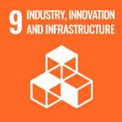

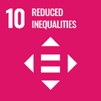
 | We work closely with our Community Advisory Forum and Working Group members, government, and social service groups to ensure that vulnerable and marginalised communities have a voice in the energy transition. We are in the process of developing a Reconciliation Action Plan to capture observations about current interaction with First Nations peoples and Traditional Owner groups and generate ideas for progressing our reconciliation journey. Our aim is to continually strengthen diversity, inclusion and equality across our workforce, by enhancing our policies, processes and practices to ensure that everyone can feel valued and empowered to achieve their best. | Enabling our workforce
 |  | Connecting communities

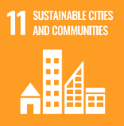
 | Our overall organisational vision is to “Connecting South Australians to a better energy future, today”. Our network provides not only an essential service, but will be a key enabler of the transition to a decarbonised South Australia. We are actively supporting the SA Government’s sustainability aspirations, and we are committed to contributing to the long-term prosperity, health, safety and vitality of the communities we work in. Our activities positively contribute to the economy through employment, infrastructure projects, innovation, investment, education, philanthropy and procurement. We are supporting our customers and communities to improve resilience to climate change. We are a strong supporter of a wide range of community organisations via our Employee Foundation, Community Grants, and Strategic and Community Partnerships Program. | Enabling our workforce
 |  | Connecting communities

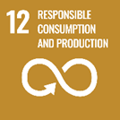
 | Our resource recovery and recycling performance is significant, on average diverting over 90% of our waste from landfill. We are working towards adopting the Circular Economy model, which will guide us toward zero waste and pollution, and using greener products and materials across the business. We have compiled our Scope 3 greenhouse gas emissions inventory, with a view to identifying less carbon intensive products and services in our supply chain. | Conserving the environment


 | We are preparing our network, our people, customers and communities for the significant challenges of the changing climate and positioning our businesses to capitalise on the emerging opportunities presented by the transition to a low carbon economy. Already over 70% of the electricity demand in South Australia is met by renewables, and we are on track to be a net zero electricity grid by 2027. Greenhouse gas emissions (GHG) associated with our own operations and activities have consistently decreased every year since 2007 when we began reporting. We are targeting net zero Scope 1 and Scope 2 GHG by 2035, and net zero Scope 3 GHG by 2050. | Conserving the environment
 |  | Transforming energy

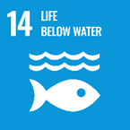
 | We manage our assets and operations - through a range of environmental planning, oil-filled asset management, and waste diversion procedures and systems - to minimise any potential impact on ocean and freshwater habitats and ecosystems. By reducing our carbon footprint, and that of South Australia, we will contribute to the reduction in ocean acidification. | Conserving the environment

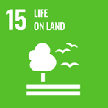
 | We recognise the chronic impacts that all large businesses can have on the natural environment, and strive to minimise any potential damage through a range of biodiversity, native vegetation, and natural resources related planning and operational procedures and initiatives. We are developing an Action Plan for Nature and Biodiversity aligned to the guidance of the newly created framework by the Taskforce on Nature-related Financial Disclosures (TNFD). | Conserving the environment


 | We know that to achieve the successful transition of the energy sector, we need to collaborate with our stakeholders, partner with our customers, and advocate for appropriate policy change. We work closely with our Community Advisory Forum, government, and social service groups to ensure that vulnerable and marginalised communities have a voice in the energy transition. We maintain a robust corporate governance framework to ensure ethical and lawful operations and activities. | Connecting communities

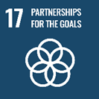
 | We are an industry leader in the development and trialling of new technology and innovative solutions to enable the energy transition. We work closely with government, the private sector and our peers to pilot, share and promote our learnings. We have developed a Sustainable Financing Framework to enable transactions in the green bond and sustainability-linked finance market, and to further our achievements in the energy transition. | Transforming energy
 |  | Connecting communities

